Overview
PG 18-15 Spreadsheet v2.0
A/E SUBMISSION REQUIREMENTS FOR VA MEDICAL CENTER
MAJOR NEW FACILITIES, ADDITIONS & RENOVATIONS

 |  |  | PROJECT BOOK PHASE (For Information Only)
 |  |  | General
 |  | 1 | The purpose of the PROJECT BOOK analysis phase is to provide a thorough technical evaluation to establish the requirements for the project, covering site and any existing building conditions, utilities, the final SEPS Program for Design (PFD) baseline and Preliminary Room Contents (PRC), which will establish the Design-to Budget for the AE of Record. The PROJECT BOOK analysis will be done under a separate contract from the AE-of-Record contract.
 |  | 2 | Additional studies may be required to verify existing conditions to resolve proposed programming issues. Special studies shall be handled on a case-by-case basis with the approval of the VA PM. AE will verify and coordinate workload and staffing requirements.
 |  | 3 | The PROJECT BOOK includes only studies and analysis; it does not include any design work.
 |  | 4 | The PROJECT BOOK will be provided to the AE of Record to be the basis of the design work

I. |  |  | DESIGN PHASE OVERVIEW
 |  |  | General
 |  | 1 | The PG 18-15 requirements formatted by technical discipline does NOT direct the staffing of the work effort.
 |  | 2 | This document contains the minimum submission requirements for the Design Phase of the major project.
 |  | 3 | The Department of Veterans Affairs (VA) may contract for any portion of a design: Project Book, Concepts, Schematic Design, Design Development, Construction Documents, or a combination of these.
 |  | 4 | The AE of Record is responsible for producing a complete set of construction instructions, including 3D models (BIM), drawings, specifications, calculations, sample boards, equipment catalog cuts, performance curves, dimensions, and capacity ratings, and data (from BIM, etc.) in accordance with VA criteria and national codes. The AE shall be responsible for obtaining and using all VA design criteria and information available through the VA Office of Construction & Facilities Management (CFM) Technical Information Library (TIL) website.
 |  | 5 | The AE must use, manage, and submit all graphic/data information as described in the VA BIM STANDARD.
 |  | 6 | All previously submitted documents shall be updated to reflect review comments and further development.
 |  | 7 | The AE, in collaboration with the VA PM, will document all applicable codes standards in effect at the time of the contract award. This record will include a listing of all industry codes and a downloaded copy of VA applicable criteria, standards, design guides and design manuals, to be preserved on a DVD and be submitted to VACO, VA PM and others as identified by the VA PM.
 |  | 8 | CFM (or Construction Agent) shall be responsible for reviewing and commenting on all design submissions. VA may engage the services of peer reviewers to review the submissions and a value management workshop may be performed at each review stage. (Peer reviewers’ comments shall be entered into the DrChecks system three working days prior to review; VA comments shall be entered in DrChecks no later than five working days after the review.) The A/E shall not move forward into the next design phase until comments in DrChecks have been resolved and the AE is instructed to proceed by the VA Project Manager (or Construction Agent).
 |  | 9 | The AE will provide: one Conceptual (C) submission, two Schematic Design (SD1 & SD2) submissions, one Design Development (DD) submissions, and one Construction Document (CD) submission described in this document. At each submission, all material must be dated and provided to VA as per the VA BIM Standards (for 3D Models and 2D Drawing Deliverable Requirements (DDR), FM Data, etc.).
 |  | 10 | The A/E shall provide individually packaged submissions to each unit specified in the "Distribution of Submission Materials" section. The AE will submit a completed check-list at each submission detailing all required submittal material by discipline. Any material not submitted will be marked either "Pending" with an anticipated date of submittal or "N/A", and include an explanation in the comments section.
 |  | 11 | At each design phase the AE will provide a summary outlining substantive design changes, and any deviations from VA Criteria such that VA reviewers can easily evaluate the proposed changes. Deviations from VA Criteria must include a reference to the VA Criteria, the proposed deviation, and AE justification for the deviation including cost implications, to be evaluated by the PM and VACO/CSS prior to implementation. The AE must keep a log of all deviation requests.
 |  | 12 | VA will conduct design reviews for the following submissions:
 |  |  | Concept Design (C) Held at VACO Offices, Washington DC unless otherwise directed by USACE.
 |  |  | Schematic Design 1 (SD1) Held at VACO Offices, Washington DC otherwise directed by USACE.
 |  |  | Schematic Design 2 (SD2) Held at VACO Offices, Washington DC otherwise directed by USACE.
 |  |  | Design Development (DD) Held at VACO Offices, Washington DC otherwise directed by USACE.
 |  |  | Construction Documents (CD) Location TBD
 |  | 13 | The VA CPM group shall review all CPM schedules, and monthly updates throughout the project development and construction.
 |  | 14 | The AE must identify potential alternates for bidding development. The value of the deduct alternates shall represent at least 10% of the construction budget.
 |  | 15 | For seismic retrofit projects funded by Seismic EQ funds: Project shall seismically upgrade the facility in accordance with VA standards and criteria. Other functional, programmatic and physical upgrades shall be limited to the minimum changes necessary to accomplish the implementation of the seismic corrections.

II. |  |  | CONCEPT DESIGN [C]
 |  |  | GENERAL
 |  | 1 | Before the concepts are created, the AE must work with the user groups to identify no less than five key criteria for evaluating the alternatives, which will be placed into a scaled (1-5 with 5 the highest score) decision matrix. The primary criterion should be Medical Functionality.
 |  | 2 | The purpose of Conceptual Design is to develop three distinct solutions for meeting the objectives outlined in the PROJECT BOOK. Each solution must show (at a departmental/building block massing level in BIM) departmental adjacencies, vertical (stairs and elevators) and horizontal circulation, stacking diagrams, and site placement/access and circulation. Renderings must convey design intent using minimum embellishment. All three concepts must be at the same level of development. VA reserves the right to reject concepts that are not fully developed with respect to the overall submittal. VA will select the preferred concept considering the evaluation criteria developed before the Conceptual Design Phase.

III. |  |  | SCHEMATIC DESIGN [SD]
 |  |  | GENERAL
 |  | 1 | The Schematic Design phase documents are developed for the VA-selected concept approved in the Conceptual Design phase. Schematic Design further develops the concept plan to a level of detail that includes specific functional and adjacency requirements and establishes the aesthetics of the design.
 |  | 2 | A Project Management Plan shall be developed by the Integrated Project Team, led by the VA PM.
 |  | 3 | Graphic submittals must follow the VA BIM Standards. All models, drawings, booklets, and other supporting materials in each submittal shall be clearly and consistently identified throughout the design process with the project title, location, building, phase, section, and segment. Written materials must refer back to the PG 18-15 corresponding numerical description.
 |  | 4 | Specifications shall be prepared using VA Master Construction Specifications. Submissions shall show changes to master by using the "Track Changes" function. Each submission shall indicate changes from previous submission, not all changes to the master. Specifications submitted at the end of each phase (not for each review) shall include all changes.
 |  | 5 | The A/E shall submit minutes of meetings with VA and VA's other contractors, as well as for A/E coordination meetings.
 |  | 6 | Each progressive design submittal should build upon the previous information to provide a clear basis of design development and design philosophy fitting to the project.

IV. |  |  | DESIGN DEVELOPMENT [DD]
 |  |  | GENERAL
 |  | 1 | The Design Development phase encompasses adding an increased level of detail for all aspects of the project to further define the design. Submissions at this stage must show coordination of trades and clarity of scope and design intent. The AE will perform a room test-fits to assure that all required Project Room Contents (PRC) can be accommodated. Submissions at this stage must show coordination of trades and clarity of scope and design intent. This phase will also provide visualization of the project and communicate the character of interior and exterior spaces. All value engineering shall be completed by the end of this phase, and no functional changes are anticipated after the DD review.
 |  |  | Specifications shall be prepared using VA Master Construction Specifications. Submissions shall show changes to master by using "Track Changes" function. Each submission shall indicate changes from previous submission, not all changes to master.

V. |  |  | CONSTRUCTION DOCUMENTS [CD]
 |  |  | GENERAL
 |  | 1 | The purpose of the Construction Document phase is to add the level of detail required for construction of the project, coordinate the trades, and finalize the project’s documentation for construction. This includes refinement of the 3D Models, 2D drawings, design details, and specifications so the project can achieve its highest value and performance suitable for the building's lifecycle.
 |  | 2 | The Construction Document phase involves the production of complete 3D Models, 2D drawings, specifications, and other documents necessary for the bidding and construction of the project, prepared from the approved DD documents. Also included at this phase are the final cost estimate, the final phasing plan, and the construction schedule.
 |  | 3 | The A/E must provide design-intent documentation that provides the necessary information for construction. Documentation shall be complete, fully coordinated, and ready for use by a General Contractor.
 |  | 4 | Prior to issuance for construction bids, make any changes to the documents identified as necessary during the review conference with VA Central Office.
 |  | 5 | The final specification submission must be complete and coordinated with the graphic documentation (3D models, 2D Drawings). The final submission must be a "clean copy" and not show changes.
 |  | 6 | Identify the alternates for bidding development. The value of the deduct alternates shall represent at least 10% of the construction budget.
 |  |  | All construction documents and calculations must be signed and sealed by a professional AE at the 100% submission.

VI. |  |  | DISTRIBUTION OF A/E SUBMITTALS FOR REVIEW
 | A. |  | GENERAL
 |  | 1 | See table below:
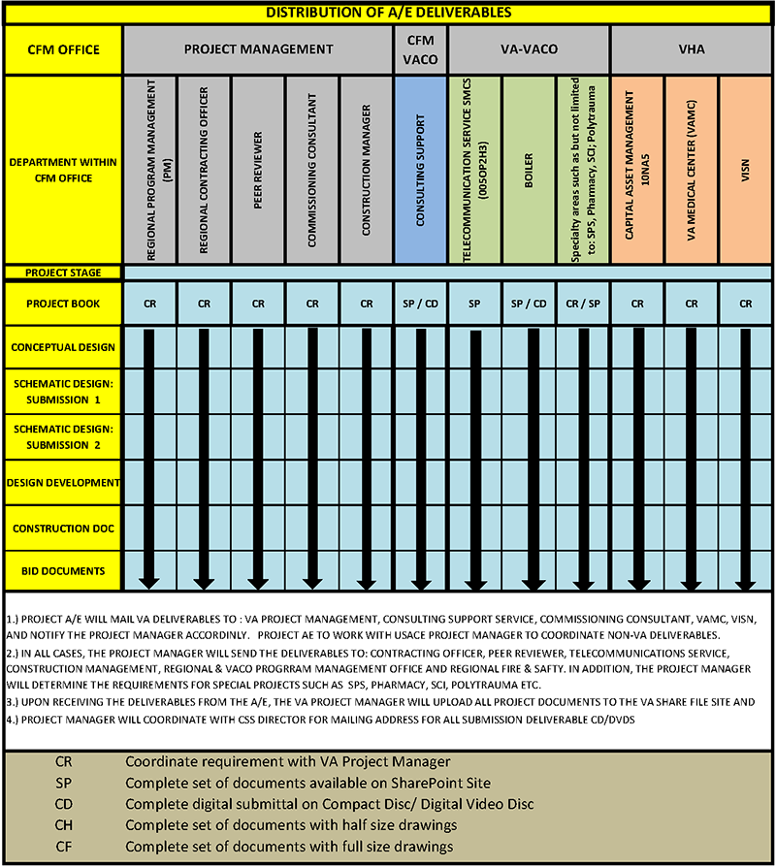

 |  |  | VA SME Michael Koch 202-632-5236
 |  |  | michael.koch3@va.gov

Elevator-Transport
PG 18-15 Spreadsheet v2.0
A/E SUBMISSION REQUIREMENTS FOR VA MEDICAL CENTER
MAJOR NEW FACILITIES, ADDITIONS & RENOVATIONS

PROJECT NAME |  |  |  |  | PROJECT NUMBER | EFFECTIVE DATE OF SPREADSHEET
0 |  |  |  |  | 0 | 1-Nov-20
 |  |  |  |  |  |  |  |  |  |  | Submittal Checklist
Seq. No. | Type | Topic |  |  |  | Description | CONCEPT | SD1 | SD2 | DD | CD | Submitted | Pending | N/A | Comments / Location
 |  | ELEVATOR AND LOGISTICS |  |  |  | VA submission requirements for Elevator and Logistics
EL-0 |  |  | REFERENCE |  |  | The individual disciplines will use initials for identity: Vertical Transport - VT, Materials Management - MM, Waste Management - WM, Sterile Processing Services - SPS, Materials Handling - MH. When referencing the combination of these services as a coordinated and integrated support service it shall be referred to as: Logistics.
EL-1.0 |  |  | BASIS OF DESIGN |  |  | As a minimum, refer to and comply with all requirements noted in PG-18-3T18, PG18-10 and all Other VA Design standards including PG18-12 Chapters 284: Logistics Services and 285: Sterile Processing Service and Nutrition and Food Services (PG18-9 Chapter 224) and Environmental Management Service Laundry And Linen Operation (PG18-9 Chapter 408). |  |  |  |  |  |  |  |  |  | 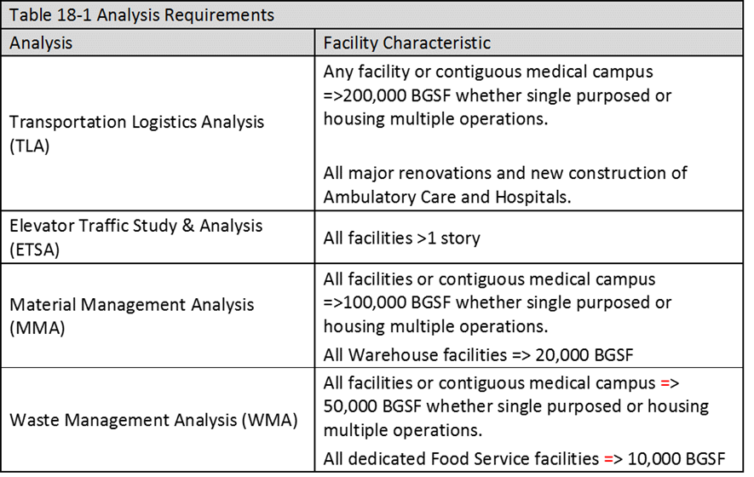
EL-1.01 | Report |  | Vertical Transport, Materials Management, Waste Management, Sterile Processing, Materials Handling - Logistics Report(s). |  |  | Provide studies, analysis (showing calculations) and reports on the Support Service requirements for all facilities to be serviced whether they are part of the Project in question or on the campus or not. Determine the adequacy or inadequacy of planned and existing support elements to support all of the functions and departments they are to serve. Determine the ROM space / costs for adding, expanding, enhancing, reducing or otherwise changing the combination of new and existing conditions to ensure proper MM / WM / VT / MH / SPS / Logistics support is available to the total of the combined facilities served whether on or off the local campus. | P | U | U | U | F
El-1.02 | Data Report |  | Vertical Transport, Materials Management, Waste Management, Sterile Processing, Materials Handling - Logistics. Data Report. |  |  | Provide Data Report that will be used as the basis for the Transport / Logistics studies and recommendations. | P | U | F
EL-1.1 | Transport / Logistics Studies and Report |  | Vertical Transport, Materials Management, Waste Management, Sterile Processing, Materials Handling, Logistics. |  |  | Provide project type / size appropriate studies, analysis and reports (TLA / ETSA / MMA / WMA / MH) as noted and directed in PG18-3 Topic 18 and standards referenced therein. This includes all traffic studies, Life Cycle Cost Analysis, etc. Reports to be fully updated for each design phase to ensure it remains current with the designs, traffic, operational and physical aspects of the project throughout the design process. Designs and project narratives shall conversely be updated to reflect the contents and recommendations in the updated reports. Final Submittals to be used for the Basis of Design during the CA Phase. | P | U | U | U | F
EL-1.1.1 | Study and Report - Waiver |  | Space for Materials Handling Systems (i.e., AGVS, AMR, PTS, etc.) |  |  | Where a MM, WM, VT, SPS, MH or Logistics system is justified and recommended in a TLA / ETSA / MMA / WMA report, the departments, functions, rooms, adjacencies etc. required for that system but not addressed or properly represented in the VA PG-9's: Space Planning Criteria; shall be immediately identified, quantified and reported. Examples would be: specialized maintenance areas; space reductions from higher efficiencies; etc. A written waiver request for the deviation / change shall be submitted immediately with a copy of all waiver requests attached within an appendix to the design phase (updated) report such as a TLA or MMA. The VA's response to the waiver request shall be added to the appendix to the report to memorialize the response. | P | U | U | F
EL-1.1.2 | Study and Report - Coordination |  | Vertical Transport, Materials Management, Waste Management, Sterile Processing, Materials Handling, Logistics. |  |  | The Transport / Logistics Consultant shall become familiar with the submittal requirements noted in PG18-15 for all disciplines and provide the data needed to Other disciplines in a timely manner to advance the project with minimum delays and redesigns. This includes attention to "special" systems such as PTS, AGV, Trash/Linen Chutes, etc. where they are not "standard" equipment and their design requirements may not be familiar to Other disciplines. Pay special attention to conflict resolution for PTS and AGVS and interfaces to fire / smoke alarm systems. | P | U | U | U | F
EL-1.1.3 | Study and Report - Nutrition and Food Service Coordination |  | Vertical Transport, Materials Management, Waste Management, Sterile Processing, Materials Handling - Logistics coordination with Nutrition and Food Service. |  |  | Where the Transport / Logistics Consultant (TLC) is not providing the Studies and Designs for Nutrition and Food Services (NFS), Patient and Non-Patient, it shall be generally understood that the activities within the NFS departments shall be studied / designed / specified by the specialized NFS designer. The MM / WM / VT / MH functions supporting NFS but outside of the department perimeters, including clean and soiled truck docks and transport, shall be the responsibility of the TLC using the criteria, data, product volume and Other relevant information supplied by the NFS designer. Where automation such as AGVS, AMR, VT and Pneumatic Systems are used these are to be designed into the NFS operations by the TLC with the close cooperation of the Other applicable designers including the NFS designer. | P | U | U | U | F
EL-1.13 | Special - Technology Reports and Documents |  | Vertical Transport, Materials Management, Waste Management, Sterile Processing, Materials Handling, Logistics. |  |  | It is recognized that the Transport and Logistics industries, along with Others, are undergoing rapid, major and significant technological changes that may be unknown to non-experts in these fields. The consultant shall issue special reports / white papers in a timely manner where new and technologically advanced equipment / systems are being planned and specified that has impacts on the planning of Other designer disciplines. | P | U | U | U | F
EL-1.1.4 | Report |  | Seismic Retrofit Projects (Seismic EQ funded) |  |  | Analyze impact of seismic correction plan on automatic transport system. Determine minimal acceptable changes necessary to implement seismic corrections. |  | P | U | F
EL-2.0 |  |  | CALCULATIONS |  |  | Per PG18-10 and PG18-3 Topic 18

EL-2.1 | Calculations |  |  |  |  | Submit calculations as required in PG18-10 and PG18-3t18.for all studies. Calculations are to show the input information and relevant outcomes. | P | U | U | U | F

EL-3.0 |  |  | DRAWINGS and MODELS |  |  | As per the VA BIM STANDARD and PG18-10 AND PG18-3t18
EL-3.1 | Drawings |  | Vertical Transport, Materials Management, Waste Management, Sterile Processing, Materials Handling, Logistics. |  |  | Submit overall floor plans at a minimum of 1/16”=1’-0” (1:200) indicating location of proposed and existing MM / WM / VT / MH / SPS / Logistics devices and systems. Indicate proposed routes and non-scaled "riser diagram" sketches for automatic transport systems. | P | U | U | U | F
EL-3.2 | Drawings |  | Vertical Transport, Materials Management, Waste Management, Sterile Processing, Materials Handling, Logistics. |  |  | Floor plans at a minimum of 1/8”=1’-0” (1:100) drawings of the MM / WM / VT / MH / SPS / Logistics systems and devices. Indicate devices including but not limited to: processing and storage equipment, MH devices, door interfaces, tracking, piping, battery charging areas, blower rooms, queuing areas, cart holding areas, cart washer, central control area, maintenance areas and floor and/or wall and/or overhead mounted or recessed control units. Indicate architectural and utility elements to be used for these systems. | P | U | U | U | F
EL-3.3 | Drawings |  | Pneumatic Tube and Chute Systems: |  |  | Show station locations recommended in the PG18-3t18 studies and accepted. Develop and coordinate the horizontal / vertical (including shaft ways) routing for pneumatic systems so that there are early and continuous efforts to avoid conflicts with the building, structures, departments and utilities without compromising the related system operations. Provide weights and reactions where necessary. | P | U | U | U | F
EL-3.4 | Drawings |  | Vertical Transport, Materials Management, Waste Management, Sterile Processing, Materials Handling, Logistics. |  |  | Provide separate drawings for major MM / WM / VT / MH / SPS / Logistics systems and equipment. As a minimum provide: dimensioned H x D x W equipment drawings, show installation space requirements including necessary maintenance clearances, details of required utilities and ventilation, provide details of corridors for automated / manual transport systems showing pathways and clearances, show VT equipment locations and details, show dimensions and details for carts to be used by automated and semi-automated systems, MM / SPS storage equipment, dock equipment, PTS stations and equipment, tube routings, processing equipment, shaftways, battery chargers, hoistway enclosures, pits, cabs, machine and blower room access and railings, and entrances using larger scale than floor plans as necessary. Show dimensional locations of equipment and devices. |  | P | U | U | F
EL-3.5 | Drawings |  | Vertical Transport, Materials Management, Waste Management, Sterile Processing, Materials Handling, Logistics. - Fire Protection |  |  | Coordinate proactively with the Fire Protection specialists, information on the various fire protection features and devices required for the various systems including interface to the fire / smoke system. Develop and provide fire door interfaces to relevant systems such as AGVS / AMR. Develop strategies and methodologies for all automated and semi-automated systems for compliance to all Fire Protection codes and standards. For example: Clearing obstructions from AGVS / AMR system transporter / carts from egress routes, doors and corridors; system activities where operations occur in multiple zones; etc. | P | U | U | U | F
EL-3.6 | Drawings |  | Vertical Transport, Materials Management, Waste Management, Sterile Processing, Materials Handling, Logistics. |  |  | Locate machine and equipment rooms for MM / WM / VT / MH / SPS / Logistics systems including: elevators, cart lifts, dumbwaiters, Pneumatic Chute Systems, PTS and AGV systems, mechanical / utility spaces. Indicate minimum dimensions, ventilation, structural and power requirements. | P | U | U | U | F
EL-3.7 | Drawings |  | Vertical Transport, Materials Management, Waste Management, Sterile Processing, Materials Handling, Logistics. |  |  | Provide details of elevator and other transport equipment at scales large enough to describe construction and installation requirements. Indicate size and locations of trap doors, hoist beams, divider beams, PTS blowers / diverters / exchangers, AGVS / AMR battery chargers, Pneumatic Chute diverters / turbines and similar equipment for people and materials transport systems. |  | P | U | U | F
EL-3.8 | Drawings |  | Vertical Transport, Materials Management, Waste Management, Sterile Processing, Materials Handling, Logistics. |  |  | Coordinate with Structural Engineer and provide size of machine beams and end reactions. Indicate location and detail of machine beam pockets. Show rail loadings and hydraulic elevator piston pit loads. |  | P | U | U | F
EL-4.0 |  |  | SPECIFICATIONS AND NARRATIVES
EL-3.09 | Preliminary Specifications |  | Vertical Transport, Materials Management, Waste Management, Sterile Processing, Materials Handling, Logistics. |  |  | Submit, as an attachment to the ETSA; MMA; WMA or TLA report an example of the specifications for major equipment / systems that are intended for use on the Project. Use current standard VA specifications where they are available and submit for approval, in the SD1 phase: the Consultant's proven successful current specification(s) when a current DVA specification is not available. |  | P | U
EL-3.10 | Interim Specifications |  | Vertical Transport, Materials Management, Waste Management, Sterile Processing, Materials Handling, Logistics. |  |  | Submit, generic outline specifications describing the important characteristics and features that contains the headings for every section intended for the final specification. A separate section of the specifications shall include the detailed traffic matrix developed for automated systems such as an AGVS / AMR or PTS. |  |  | P | U
EL-3.10 | Specifications |  | Vertical Transport, Materials Management, Waste Management, Sterile Processing, Materials Handling, Logistics. |  |  | Submit the final generic specifications that are created for high quality installations at competitive costs. Specifications shall be a combination of hardware / functional requirements to ensure that important functions can be achieved by qualified suppliers using different hardware / software without eliminating or compromising the intended functions / operations. A separate section of the specifications shall include the traffic matrix developed for automated systems such as an AGVS / AMR or PTS. |  |  |  | P | F
 |  | AUTOMATIC GUIDED VEHICLES |  |  |  | VA submission requirements for Automatic Guided Vehicles (AGV)
AG 1.0 |  |  | NOTE 1: |  |  | For projects involving Automatic Guided Vehicles, please refer to VA Topic 18-1 AGV and AMR Submittal Schedule.
 |  | PNUMATIC TUBES |  |  |  | VA submission requirements for Pnumatic Tube Systemd
PT 1.0 |  |  | NOTE 1: |  |  | For projects involving Pnumatic Tube Systems, please refer to VA Topic 18-1 AGV and AMR Submittal Schedule.

VA SME
Brian Phillips |  |  |  | Brian.Phillips@va.gov

